EDA
Data Info
 | Recording | 记录011
 | Subject | 焦相婷
 | Create Time | 2024-07-10 15:06:41.993
 | Data Name | Finger8 EDA
 | Data Type | EDA
 | Sample Rate | 64
 | Segment | 前静息态
 | Start Time | 0:01:11
 | End Time | 0:06:11
 | Duration | 0:05:00

Replay Chart
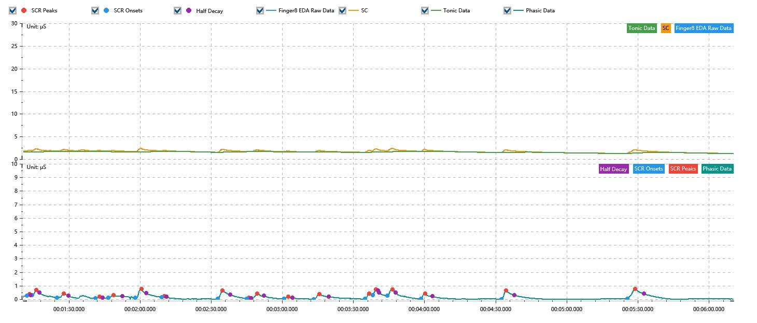

Process parameters
 | Filters
 | Smooth denoise | Enabled | 高斯 | 5(samples)
 | Lowpass filter | Enabled | 5μS
 | Skin Conductance Response
 | SCR extraction | Minimum SCR amplitude | 0.03μS
 | SCR extraction | Max rise time | 4s
 | SCR extraction | Max half decay time | 4s
 | SCR extraction | Peak dection sensitivity | 中
 | Event related activation | Window relative to event | 1s | 4s

Time Domain
 | Data | Mean | Max | Min | Std | Variance | Polar Distance | Data Length
 | SC | 1.7μS | 2.37μS | 1.26μS | 0.23μS | 0.05μS² | 1.11μS | 1200
 | Tonic | 1.55μS | 1.76μS | 1.23μS | 0.14μS | 0.02μS² | 0.54μS | 1200
 | Phasic | 0.14μS | 0.76μS | 0μS | 0.16μS | 0.03μS² | 0.76μS | 1200

SCR
 | OnsetTime | PeakTime | RiseTime | HalfDecayTime | Amp
 | 0.00083800925926 | 0.00084958333333 | 1s | 0.5s | 0.12μS
 | 0.00086405092593 | 0.00088430555556 | 1.75s | 1.25s | 0.41μS
 | 0.0009855787037 | 0.0010174074074 | 2.75s | 2s | 0.33μS
 | 0.0011707638889 | 0.0011910185185 | 1.75s | 1.5s | 0.13μS
 | 0.0012344212963 | 0.001260462963 | 2.25s | 3.75s | 0.21μS
 | 0.0013675231481 | 0.0013964583333 | 2.5s | 2s | 0.64μS
 | 0.001494837963 | 0.0015093055556 | 1.25s | 0.75s | 0.08μS
 | 0.0017697222222 | 0.0017928703704 | 2s | 3.25s | 0.63μS
 | 0.0019115046296 | 0.0019201851852 | 0.75s | 1s | 0.07μS
 | 0.0019346527778 | 0.0019606944444 | 2.25s | 3s | 0.37μS
 | 0.0020937962963 | 0.0021140509259 | 1.75s | 1.75s | 0.17μS
 | 0.0022384722222 | 0.0022645138889 | 2.25s | 4s | 0.36μS
 | 0.0024873148148 | 0.0025075694444 | 1.75s | 3.75s | 0.4μS
 | 0.0025249305556 | 0.0025422916667 | 1.5s | 1.25s | 0.44μS
 | 0.0025972685185 | 0.0026233101852 | 2.25s | 1.25s | 0.49μS
 | 0.0027621990741 | 0.0027824537037 | 1.75s | 3s | 0.41μS
 | 0.0031528240741 | 0.0031759722222 | 2s | 3.5s | 0.63μS
 | 0.0037691435185 | 0.0038067592593 | 3.25s | 3.75s | 0.75μS

Event Related
 | Event Group | Event Name | Event Description | EventTime | SCRCount | Latency | AmpSum | SCL | Half Decay Time Avg. | Rise Decay Time Avg.
 | Custom | 前静息态采集开始 |  | 0.00081760234491 | 1 | 1.76s | 0.12μS | 1.6μS | 0.5s | 1s

